1
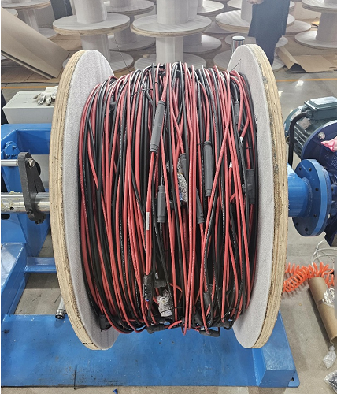
SUPPLIER ID: 4047270
COUNTRY OF ORIGIN: THAILAND
PROJECT NUMBER | 3889589
PROJECT NAME | Wichita TX - 805MW - eBOS WHA
SO NUMBER | 40225
PO NUMBER | UAE90711
LOT NUMBER | 1-114
PART NUMBER | PART DESCRIPTION | QUANTITY/PN
PPH-9.P.RED.5.00003 | PPH,MRTSN,WCHTA,PPH,9-1,TP1,POS,RED | 6
PPH-9.N.BLK.0.00003 | PPH,MRTSN,WCHTA,PPH,9-1,TP1,NEG,BLK | 6
PPH-9.P.RED.5.00004 | PPH,MRTSN,WCHTA,PPH,9-1,TP2,POS,RED | 2
PPH-9.N.BLK.0.00004 | PPH,MRTSN,WCHTA,PPH,9-1,TP2,NEG,BLK | 2
SH-2.8.RED.BLK.00003 | MRTSN,WCHTA,SH,N/S,PAIR 2,#8CU-#6AL | 2
SH-2.8.RED.BLK.00006 | MRTSN,WCHTA,SH,N/S,PAIR 5,#8CU-#6AL | 2
SH-2.8.RED.BLK.00011 | MRTSN,WCHTA,SH,N/S,PAIR 10,#8CU-#6AL,XTRACKER | 2
WEIGHT (IN KG) | 465.34
DIMENSIONS (MM) LxWxH | 1050 x 1050 x 1150 mm
TYPE OF STORAGE | INDOOR
STACKABILITY | NO
BLOCK NUMBER | CMB.013.3.01
PART PHOTO

